10 Year Projection Comparison
EV CHARGING — 10 -YEAR REVENUE PROJECTION
Rip & Replace New Chargers | Projected performance vs. historical actual (Sep 2023 – Jul 2026)

HISTORICAL OLD ANNUAL PROFIT |  | PROJECTED YEAR 1 (INCL. IDLE FEES) |  | PROJECTED 10-YEAR TOTAL (30% ITC Included) |  | UPLIFT VS. HISTORICAL
$774 |  | $6,828 |  | $122,766 |  | +781.9%

Net Profit — 10-Year Total
ANNUAL SUMMARY
 | Historical Actual (Old Chargers) | Projected (New Chargers) | Idle Fee Add-On | Projected Total
EV Stalls — Level 2 | 8 | 1 | — | 1
EV Stalls — Level 3 (Fast) | 0 | 1 | — | 1
Net Profit / Month — Level 2 | $65 | $24 | $16 | $40
Net Profit / Month — Level 3 | - | $529 | - | $529
Net Profit / Month — Total | $65 | $553 | $16 | $569
Annual Net Profit | $774 | $6,635 | $193 | $6,828
Uplift vs. Historical | — | +756.9% | — | +781.9%

10-YEAR PROJECTION DETAIL
Year | Historical Baseline | New Chargers | Idle Fees | Total per Year | Running Total (YTD)
1 | $774 | $6,635 | $193 | $6,828 | $6,828 | IDLE TIME — PLUGGED, NOT CHARGING
2 | $774 | $7,464 | $218 | $7,682 | $14,510 | 1,169 hrs
3 | $774 | $8,397 | $245 | $8,642 | $23,153
4 | $774 | $9,447 | $275 | $9,723 | $32,875 | ≈ 22% of all plugged-in time
5 | $774 | $10,628 | $310 | $10,938 | $43,813
6 | $774 | $11,957 | $349 | $12,305 | $56,118 | OUT OF SERVICE — HARDWARE
7 | $774 | $13,451 | $392 | $13,843 | $69,962 | 19,944 hrs
8 | $774 | $15,133 | $441 | $15,574 | $85,535
9 | $774 | $17,024 | $496 | $17,520 | $103,056 | Avg 1.6 of 8 stalls out of service
10 | $774 | $19,152 | $558 | $19,710 | $122,766 | DEFINITION — broken hardware only: a charger silent for 30+ days while other chargers on site were still serving cars (>=20% of those days). Time when a charger worked but no driver arrived is counted as Unused, not out of service.
10-Year Total | $7,743 | $119,289 | $3,477 | $122,766 | $122,766 | Old chargers — Sep 2023 – Jul 2026 (35 months)

NOTES & KEY ASSUMPTIONS
1. Historical actual: charger utilization report, Sep 2023 – Jul 2026 (35 months), annualized. Old fleet: 4 Level 2.
2. Projection: new fleet (1 Level 2 + 1 Level 3), uptime-adjusted occupancy, electricity $0.40/kWh; years 2–10 grow 12.5%/yr (per Cashflow tab). |  |  |  |  |  | Stat card data — stall-hours, old chargers (est.)
3. Idle fees: Level 2 — 60-min grace, $0.20/min; Level 3 — 30-min grace, $0.40/min. |  |  |  |  |  | Charging | 4,228
4. Pricing: Level 2 $0.65/kWh projected (vs $0.51 historical); Level 3 held at $0.65/kWh. |  |  |  |  |  | Idle | 1,169
5. All figures are linked to the 'Updated Chargers Revenue Calcul' tab and update automatically. |  |  |  |  |  | Out of service (broken hardware) | 19,944
6. Measured idle (old chargers): 1,169 stall-hours occupied without charging; ≈$3,683 in idle fees went uncollected over the 35-month window. |  |  |  |  |  | Unused (working, no driver arrived) | 76,898
7. Out of service = BROKEN HARDWARE, measured per charger: a silent stretch counts only if it exceeds both 30 days and 6 x that charger's own median gap between sessions (L2 median 1d -> threshold 30d), AND other chargers on site served cars on at least 20% of those days. This separates broken units from units nobody used: the four stat cards (Charging, Idle, Out of service, Unused) partition every stall-hour in the window exactly once, so lack of demand lands in Unused.

 |  |  |  |  |  | Annual growth (yrs 2–10) | 12.5%

Financial Worksheet
 |  |  |  |  |  |  |  |  | 5-Year Cumulative Cashflow
Projected Profits Over 5 Years |  | 5 Year Cashflow |  |  |  | 5 Year Charger Revenue
Total Costs Upfront | -$49,988.10
Carbon Credits | $21,525.63 | Year | Annual Cashflow | Cumulative |  | Year | Annual Cashflow | Cumulative
ITC | $0.00 | 0 | -$49,988 | -$49,988 |  | 0 | -$49,988 | -$49,988
EVSE Revenues | $42,572.21 | 1 | $10,940 | -$39,048 |  | 1 | $6,635 | -$43,353
Net Revenues | $14,109.73 | 2 | $11,770 | -$27,278 |  | 2 | $7,464 | -$35,889
 |  | 3 | $12,703 | -$14,576 |  | 3 | $8,397 | -$27,491
View Period | 5 Year | 4 | $13,752 | -$823 |  | 4 | $9,447 | -$18,044
Years (auto) | 5 | 5 | $14,933 | $14,110 |  | 5 | $10,628 | -$7,416

 | Customer Total
Equipment Purchase Invoice | $49,988.10
Design Invoice | $0.00
Electrical Supply & Construction Management Costs | $0.00
Labor | $0.00 | CC Rate ($/kW/yr) | $71.6667
Grand Total | $49,988.10 | L3 Rating (kW) | 60 | 120 | 160 | 180 | 240 | 360
Remaining Balance after Discount | $49,988.10 | Qty | 1 | 0 | 0 | 0 | 0 | 0
 |  | Multiplier ($/yr) | $4,300 | $8,600 | $11,467 | $12,900 | $17,200 | $25,800
 |  | L2 | Usage | Multiplier
 |  | Consumption Credits/m | 94.88339227 | $0.0045 | $0.4270
5-Year Cumulative Cashflow
0 | -$49,988
1 | -$39,048
2 | -$27,278
3 | -$14,576
4 | -$823
5 | $14,110
 | $0
 | $0
 | $0
 | $0
 | $0

INPUT SHEET CPM
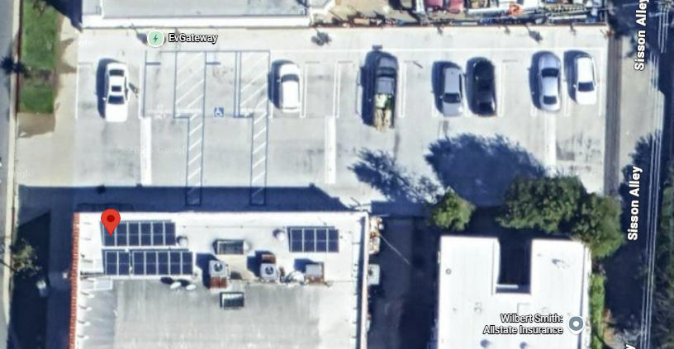
 | Level 2 |  |  |  | Level 3 |  |  |  |  |  | 480
Type of Charger per Rating | L2 Single P | L2 Dual P | L2 Single W | L2 Dual W | 30 | 100 | 120 | 160 | 240 | 360 | TOTAL | CONTRACT LENGTH | 5 | Charger | QTY
Quantity | 0 | 0 | 0 | 0 | 0 | 0 | 0 | 0 | 0 | 0 |  |  |  | 60kW DCFC - 200 Amps / 1000VDC with CCS1 & NACS(~16ft) ; 4G Modem | 1
KVA per Phase |  |  |  |  |  |  |  |  |  |  |  |  |  | 32A Single Commercial L2 Charger | 1
Breaker size per port (in A)
Quantity of Ports | 0 | 0 | 0 | 0 | 0 | 0 | 0 | 0 | 0 | 0 | 0
CALCULATIONS
Breaker size per port (in A) | 30 | 30 | 30 | 30 | 100 | 200 | 300 | 400 | 500 | 600
Quantity of Charger Breakers | 0 | 0 | 0 | 0 | 0 | 0 | 0 | 0 | 0 | 0
Total Load Size | 0 |  |  |  | 0 |  |  |  |  |  |  | Labor In Days | 30
Total Kva | 0 |  |  |  | 0
Quantity of Sub-panels | 0 |  |  |  | 0 |  |  |  |  |  |  | Rebate Amount | $0.00
Sub-panel Size | 600 |  |  |  | 0
Main Breaker Size | 600 |  |  |  | 0
Total Gear Size @208V (AMPERAGE) | 0
Total Gear Size @ 480 V (AMPERAGE) |  |  |  |  | 100

STANDARD RFC

 |  |  |  |  |  |  |  |  |  |  |  |  |  | Address | 1392 N Lake Ave, Pasadena, CA 91104
 |  |  |  |  |  |  |  |  |  |  |  |  |  | RSM: | 0
 |  |  |  |  |  |  |  |  |  |  |  |  |  | Client Info: | Showcase win
 |  |  |  |  |  |  |  |  |  |  |  |  |  | CPM:
 |  |  |  |  |  |  |  |  |  |  |  |  |  | Utility: | 0
 |  |  |  |  |  |  |  |  |  |  |  |  |  | Scope of Work : Pictures Attatched on INPUT SHEET | Yanking 3 lvl 2 out connecting to 200 amp panel across the street 1 60kw ccs nax fast charger Single port ada charger longhorn 7.7 kw

